Sheet1
 | Document No. |  | Issue No. |  | Issue Date |  |  |  | Review and Replace Date |  | Authorised By
 | GFF560MC |  | 4 |  | 17.04.2026 |  |  |  | 30.07.2026 |  | Magda Shah
 | Document Title |  | 36 Indian Selection 1020g
Document amendments reason for change | Updated the Veg Samosa 25g from the in-house recipe to the India Veg samosa 25g . |  |  |  | Page 1 of 1 |  |  | Previous Issue Date |  | 29.06.2026 | Uncontrolled copy unless signed original

CINSC4-B36X2T |  | Gazebo- Morrison |  |  |  | 36 Indian Selection 1020G
STEP 1 |  |  |  |  |  |  |  |  | STEP 2
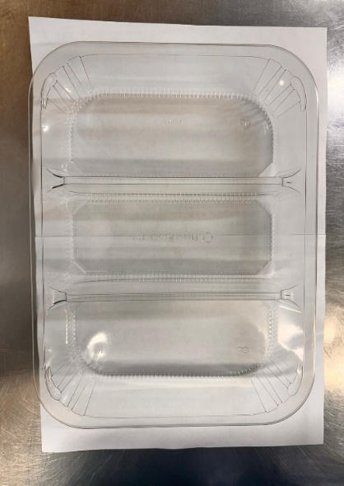 |  |  |  |  |  |  |  |  | 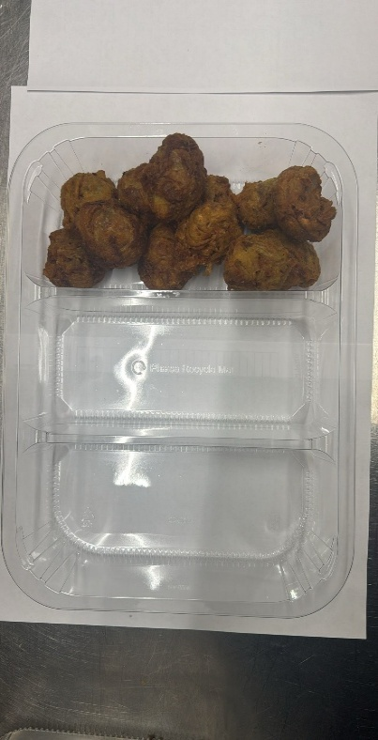
Onion Bhaji 30g-INDIAN

FROZEN
PACK DAY + 1 YEAR
GAS FLUSH

Tray: HW308/60 - 3 CAVITY TRANS - 352X246X60 - (PKESS001-10) |  |  |  |  |  |  |  |  | 12 x Onion Bhaji Cocktail 30G - (RMSRI001-02)
Film: 25mu Weld Seal Mono PET Film(340mm x 1000lm)-(PKCLI001-04)- Clifton Packaging
STEP 3 |  |  |  | STEP 4
Vegetable Samosa 25g-INDIAN
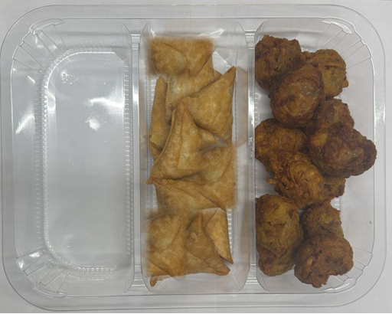 |  |  |  |  |  |  | 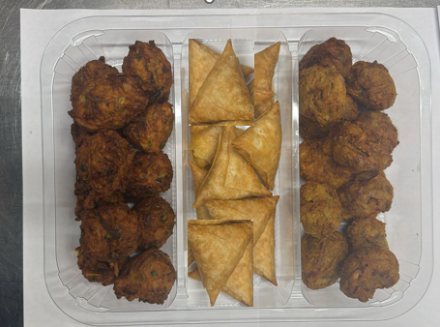 |  |  |  | Total Weight 1020g
12 x Vegetable Samosas 25g - (RMSRI001-04) |  |  |  |  |  |  | 12 x Vegetable Pakora Cocktail : 30g (GFF122R)
ALLERGY ALERT: Wheat (Gluten)

